3.7 Plug-holing
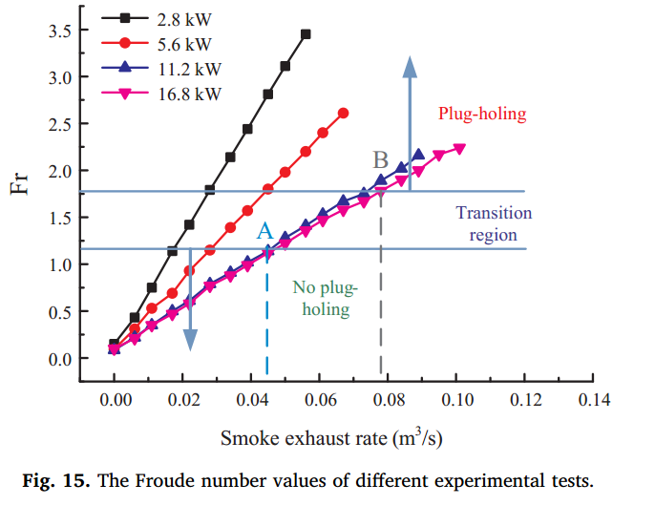
Occurrence of plug-holing with Q - Heat release rate and H - shaft height (2012 Ji)

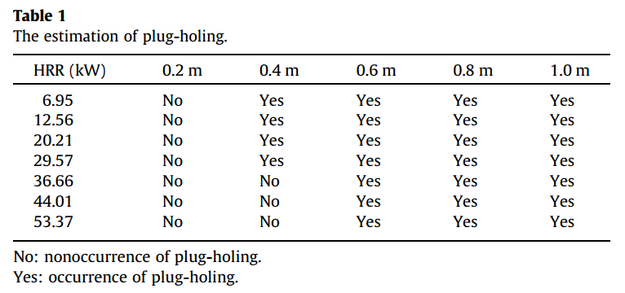
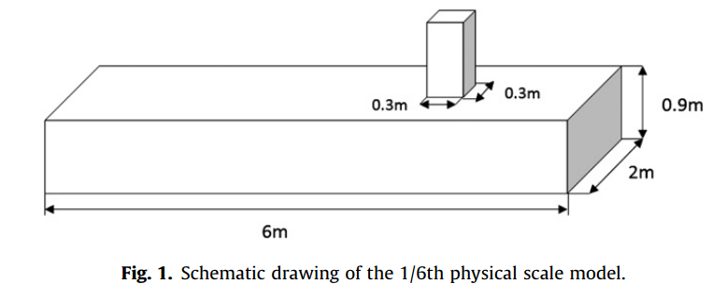

HRR (kW) | Shaft height
 | 0.2 m | 0.4 m | 0.6 m | 0.8 m | 1.0 m
6.95 | No | Yes | Yes | Yes | Yes
12.56 | No | Yes | Yes | Yes | Yes
20.21 | No | Yes | Yes | Yes | Yes
29.57 | No | Yes | Yes | Yes | Yes
36.66 | No | No | Yes | Yes | Yes
44.01 | No | No | Yes | Yes | Yes
53.37 | No | No | Yes | Yes | Yes
 |  | No: nonoccurrence of plug-holing.
 |  | Yes: occurrence of plug-holing.

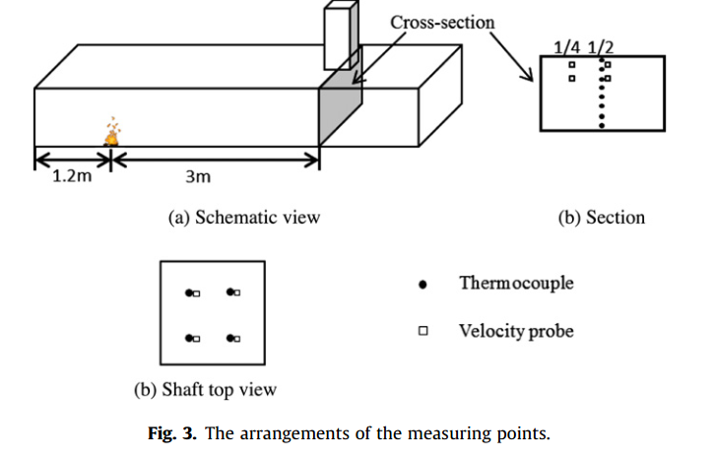

Plug-holing and values of Ri' under different experiments (2012 Ji)

6.95 kW | H | 0.20 | 0.40 | 0.60 | 0.80 | 1.00
 | Ri' | 1.25 | 2.50 | 3.74 | 4.98 | 6.23
12.56 kW | H | 0.20 | 0.40 | 0.60 | 0.80 | 1.00
 | Ri' | 1.19 | 2.38 | 3.57 | 4.76 | 5.96
20.21 kW | H | 0.20 | 0.40 | 0.60 | 0.80 | 1.00
 | Ri' | 0.78 | 1.55 | 2.33 | 3.10 | 3.88
29.57 kW | H | 0.20 | 0.40 | 0.60 | 0.80 | 1.00
 | Ri' | 0.72 | 1.46 | 2.19 | 2.92 | 3.65
36.66 kW | H | 0.20 | 0.40 | 0.60 | 0.80 | 1.00
 | Ri' | 0.66 | 1.32 | 1.97 | 2.64 | 3.29
44.01 kW | H | 0.20 | 0.40 | 0.60 | 0.80 | 1.00
 | Ri' | 0.65 | 1.29 | 1.93 | 2.59 | 3.23
53.37 kW | H | 0.20 | 0.40 | 0.60 | 0.80 | 1.00
 | Ri' | 0.58 | 1.16 | 1.73 | 2.31 | 2.88

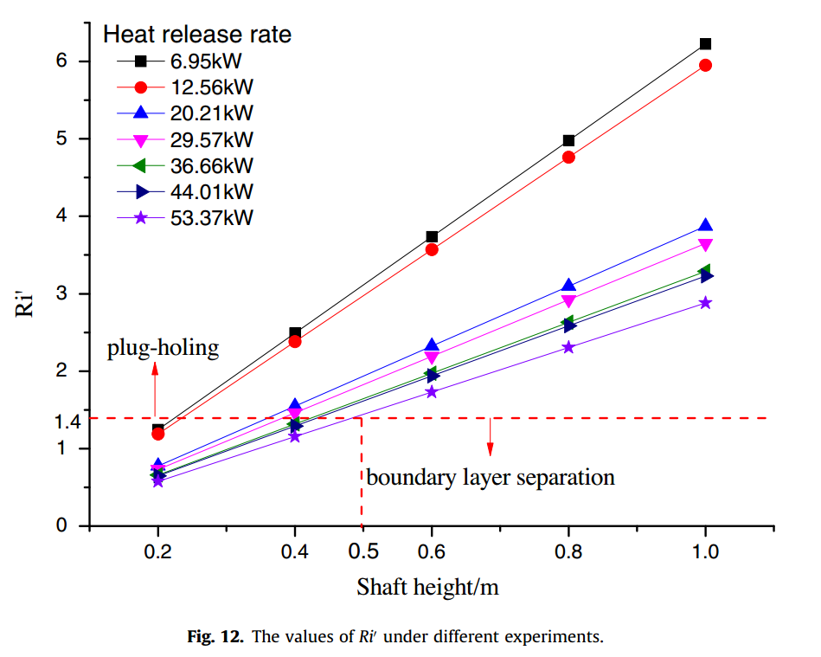

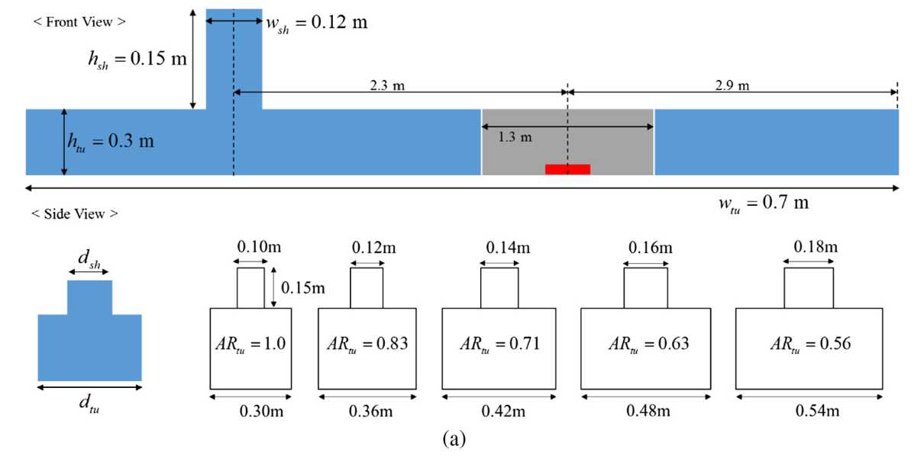

Criterion of new modified Froude number for the occurrence of plug-holing (2017 Beak)
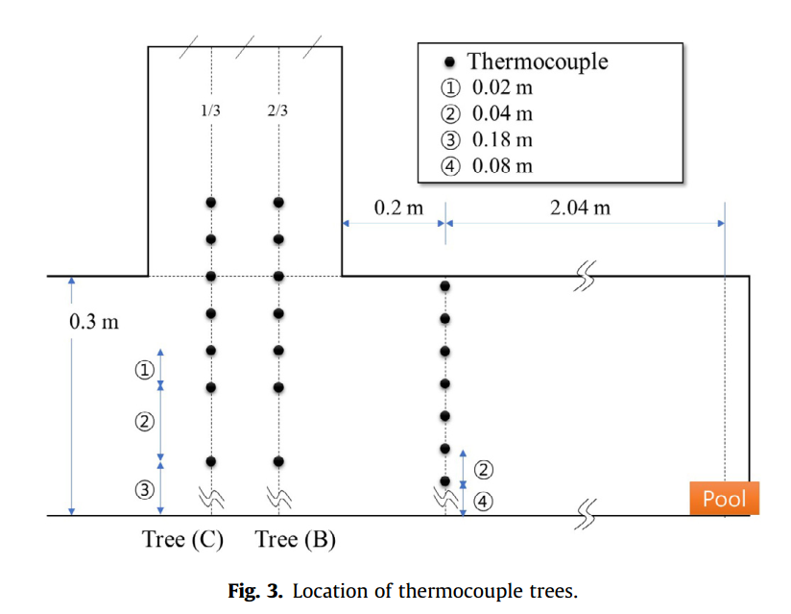

AR = 1 | Q | 1.19 | 3.19 | 4.49 | 10.11
 | FrN | 4.24 | 3.17 | 3.11 | 2.92
AR = 0.83 | Q | 1.19 | 3.19 | 4.49 | 10.10
 | FrN | 4.01 | 2.99 | 2.95 | 2.87
AR = 0.71 | Q | 1.19 | 3.19 | 4.49 | 10.10
 | FrN | 3.72 | 2.90 | 2.87 | 2.75
AR = 0.63 | Q | 1.19 | 3.20 | 4.50 | 10.10
 | FrN | 3.41 | 2.80 | 2.74 | 2.65
AR = 0.56 | Q | 1.20 | 3.20 | 4.50 | 10.10
 | FrN | 3.20 | 2.69 | 2.63 | 2.60

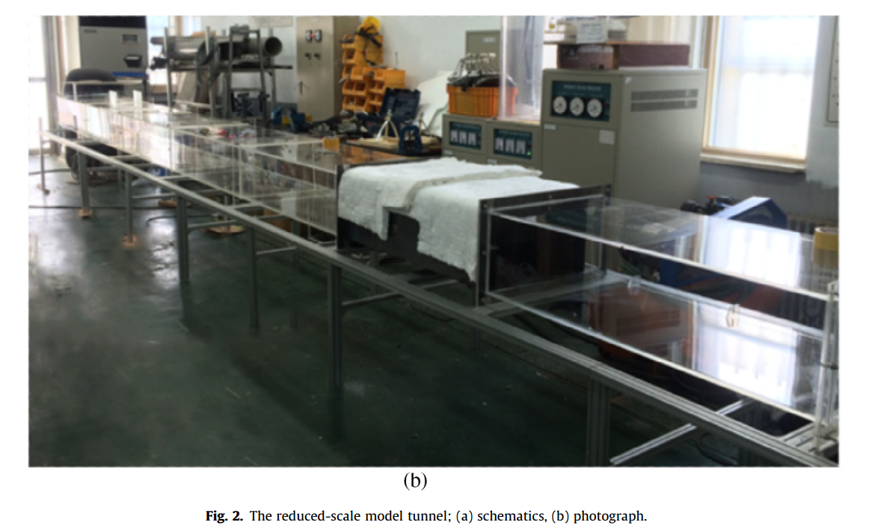

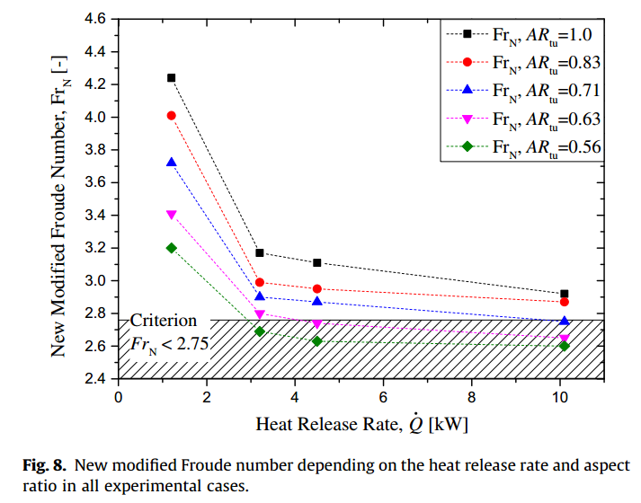

Occurrence of plug-holing with Q - Heat release rate and smoke exhaust rate (2018 Jiang)

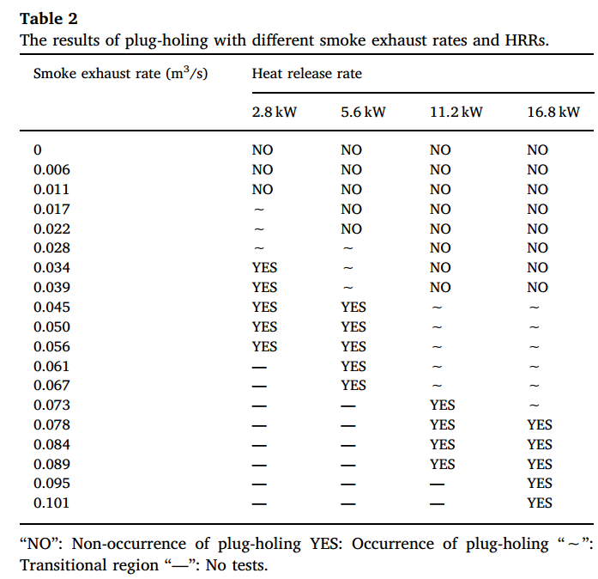

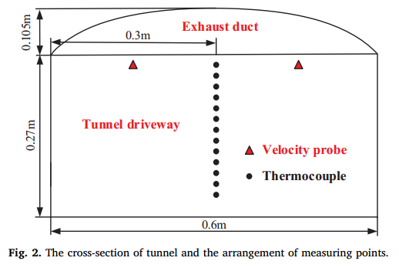
Smoke exhaust rate (m3/s) | Heat release rate
 | 2.8 kW | 5.6 kW | 11.2 kW | 16.8 kW
0 | NO | NO | NO | NO
0.006 | NO | NO | NO | NO
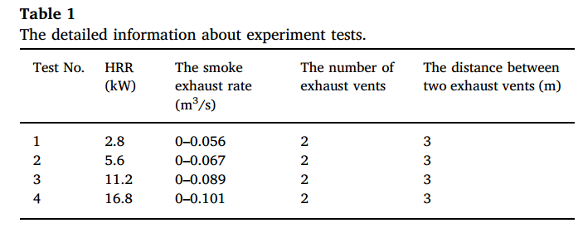
0.011 | NO | NO | NO | NO
0.017 | ∼ | NO | NO | NO
0.022 | ∼ | NO | NO | NO
0.028 | ∼ | ∼ | NO | NO
0.034 | YES | ∼ | NO | NO
0.039 | YES | ∼ | NO | NO
0.045 | YES | YES | ∼ | ∼
0.05 | YES | YES | ∼ | ∼
0.056 | YES | YES | ∼ | ∼
0.061 | — | YES | ∼ | ∼
0.067 | — | YES | ∼ | ∼
0.073 | — | — | YES | ∼
0.078 | — | — | YES | YES
0.084 | — | — | YES | YES
0.089 | — | — | YES | YES
0.095 | — | — | — | YES
0.101 | — | — | — | YES

“NO”: Non-occurrence of plug-holing YES: Occurrence of plug-holing “∼”: Transitional region “—”: No tests.

Plug-holing and values of Fr - Froude number under different experiments (2018 Jiang)
 |  |  |  |  |  |  |  |  |  |  |  |  |  |  |  | exhaust vents: 20cm × 7.5cm
 |  |  |  |  |  |  |  |  |  |  |  |  |  |  |  | vent spacing: 3 m |  | vent number: 2

2.8 kW | R | 0.000 | 0.006 | 0.011 | 0.017 | 0.022 | 0.028 | 0.034 | 0.039 | 0.045 | 0.050 | 0.056
 | Fr | 0.153 | 0.434 | 0.753 | 1.140 | 1.421 | 1.797 | 2.142 | 2.444 | 2.813 | 3.111 | 3.452
5.6 Kw | R | 0.000 | 0.006 | 0.011 | 0.017 | 0.022 | 0.028 | 0.034 | 0.039 | 0.045 | 0.050 | 0.056 | 0.061 | 0.067
 | Fr | 0.114 | 0.316 | 0.530 | 0.693 | 0.931 | 1.151 | 1.389 | 1.574 | 1.804 | 1.978 | 2.202 | 2.405 | 2.610
11.2 kW | R | 0.000 | 0.006 | 0.011 | 0.017 | 0.022 | 0.028 | 0.034 | 0.039 | 0.045 | 0.050 | 0.056 | 0.061 | 0.067 | 0.073 | 0.078 | 0.084 | 0.089
 | Fr | 0.086 | 0.221 | 0.345 | 0.501 | 0.608 | 0.782 | 0.906 | 1.023 | 1.130 | 1.279 | 1.414 | 1.531 | 1.659 | 1.751 | 1.890 | 2.021 | 2.159
16.8 kW | R | 0.000 | 0.006 | 0.011 | 0.017 | 0.022 | 0.028 | 0.034 | 0.039 | 0.045 | 0.050 | 0.056 | 0.061 | 0.067 | 0.073 | 0.078 | 0.084 | 0.089 | 0.095 | 0.101
 | Fr | 0.100 | 0.206 | 0.352 | 0.466 | 0.576 | 0.764 | 0.878 | 0.988 | 1.112 | 1.222 | 1.357 | 1.463 | 1.577 | 1.666 | 1.783 | 1.904 | 2.000 | 2.167 | 2.238

 | R - Smoke exhaust rate (m/s)

